9V -> 5V
Heat estimation for voltage regulator

 | Total current drawn by the devices (motors excluded because directly supplied with 9V)

 | Part | Amount | Current [mA] | Total current [mA] | Description | Link
 | LED | 5 | 2 | 10 | maximum value -> low current LED | LED Beispiel
 | Distance Sensor | 3 | 22 | 66 | maximum value | Distance Sensor
 | H-Bridge | 1 | 60 | 60 | maximum value | H-Bridge
 | Microchip VDD | 1 | 250 | 250 | maximum current into VDD (Positive supply for peripheral logic and I/O pins) | Microchip
 | Bluetooth | 1 | 13 | 13 | peak value for TX and RX mode | Bluetooth
 | Programming connector | 1 | 30 | 30 | estimated

 | Sum Total current |  |  | 429
 | With safety factor | 1.2 |  | 514.8 | e.g. for parts that are not included in the calculation

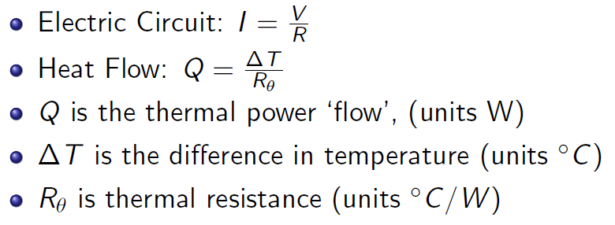
 | Voltage Regulator without Heat Sink |  |  |  | L7805CV CCD7W Vb MAR 848 TO 220 | Voltage Regulator
 |  |  |  |  |  | -> needs at least +2V as input
 | RthJA | 50 | [°C/W]
 | Max. allowed temp. TJmax | 125 | [°C]
 | Ambient temperature TA | 22 | [°C]
 | Max. allowed heat flow Qmax | 2.06 | [W]

 | Input Voltage Uin | 9 | [V]
 | Output Voltage Uout | 5 | [V]
 | Power loss Q = U * I | 2.0592 | [W] |  | Note: internally consumed current is neglected because load current is much higher
 | Estimated junction temp. TJ | 124.96 | [°C]
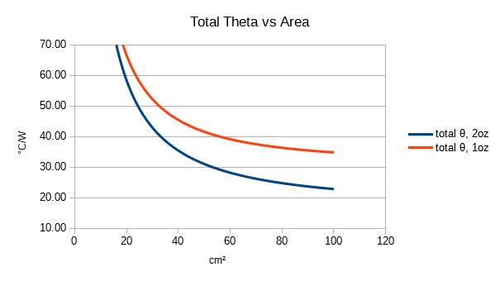
 | We need a heat sink!!!

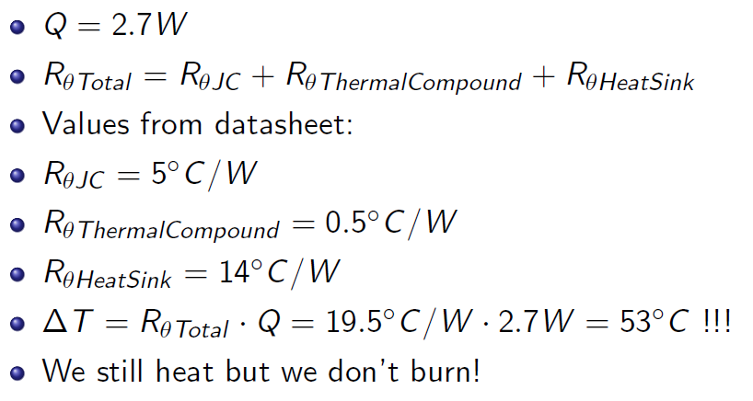
 | Voltage Regulator with PCB as Heat Sink

 | RthJC | 5 | [°C/W]
 | RthPCB | 35 | [°C/W] | bei 100 cm²
 | RthThermalCompound | 8.7108298394 | [°C/W]
 | Estimated junction temp. TJ | 122.30534081 | [°C]
1 oz copper
-->
0.0035 cm thickness
 | Area of voltage regulator
 | E | 10 | mm
 | D | 15.25 | mm
 | P | 3.85 | mm
 | Area | 140.85843572 | mm²
 | Area | 0.00014085843572 | m²
 | thickness of Compound | 0.001 | m | estimated
 | Thermal conductivity Compound | 0.815 | [W/mK] |  |  | Thermal Resistance of PCB

 | We need an external heat sink!!!

 | Voltage Regulator with External Heat Sink

 | RthJC | 5 | [°C/W]
 | RthThermalCompound | 8.7108298394 | [°C/W]
 | RthHeatSink1 | 6 | [°C/W] |  | Fischer Elektronik Kühlkörper 6K/W, 32mm x 20mm x 50mm, Schraubmontage | Heat Sink | https://de.rs-online.com/web/p/kuhlkorper/2212182
 | RthHeatSink2 | 8.8 | [°C/W] |  | AAVID THERMALLOY Kühlkörper 8.8K/W, 50mm x 34.5mm x 50mm, Lötmontage | Heat Sink 2 | https://de.rs-online.com/web/p/kuhlkorper/0403184
 | Estimated junction temp. TJ1 | 62.588540805 | [°C]
 | Estimated junction temp. TJ2 | 68.354300805 | [°C]
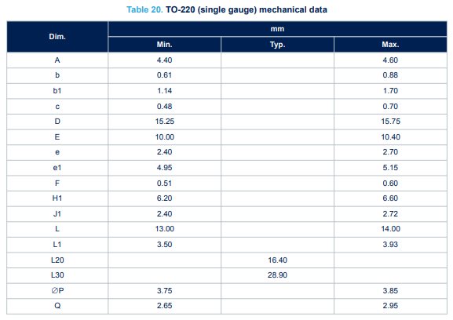
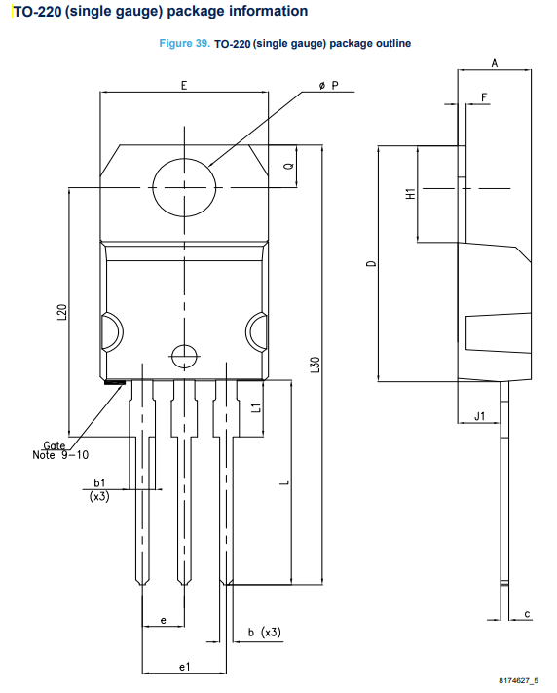
 | Both external heat sinks can be used because the temperature remains < 125°C

5V -> 3.3V
Heat estimation for voltage regulator

 | Total current drawn by the devices (motors excluded because directly supplied with 9V)

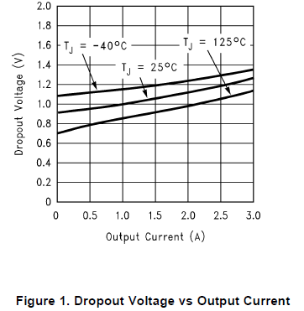
 | Part | Amount | Current [mA] | Total current [mA] | Description | Link
 | LED | 5 | 30 | 150 | maximum value | LED Beispiel
 | Distance Sensor | 3 | 22 | 66 | maximum value | Distance Sensor
 | H-Bridge | 2 | 60 | 120 | maximum value | H-Bridge
 | Microchip VDD | 1 | 250 | 250 | maximum current into VDD (Positive supply for peripheral logic and I/O pins) | Microchip
 | Bluetooth | 1 | 13 | 13 | peak value for TX and RX mode | Bluetooth
 | Programming connector | 1 | 30 | 30 | estimated

 | Sum Total current |  |  | 629
 | With safety factor | 1.5 |  | 943.5 | e.g. for parts that are not included in the calculation

 | Voltage Regulator without Heat Sink |  |  |  | LM1085 IT-3.3 | Voltage Regulator
 |  |  |  |  |  | -> needs at least +1.5V as input
 | RthJA | 50 | [°C/W]
 | Max. allowed temp. TJmax | 125 | [°C]
 | Ambient temperature TA | 22 | [°C]
 | Max. allowed heat flow Qmax | 2.06 | [W]

 | Input Voltage Uin | 5 | [V]
 | Output Voltage Uout | 3.3 | [V]
 | Power loss Q = U * I | 1.60395 | [W] |  | Note: internally consumed current is neglected because load current is much higher
 | Estimated junction temp. TJ | 102.1975 | [°C]

 | We do not need a heat sink

